Sheet1
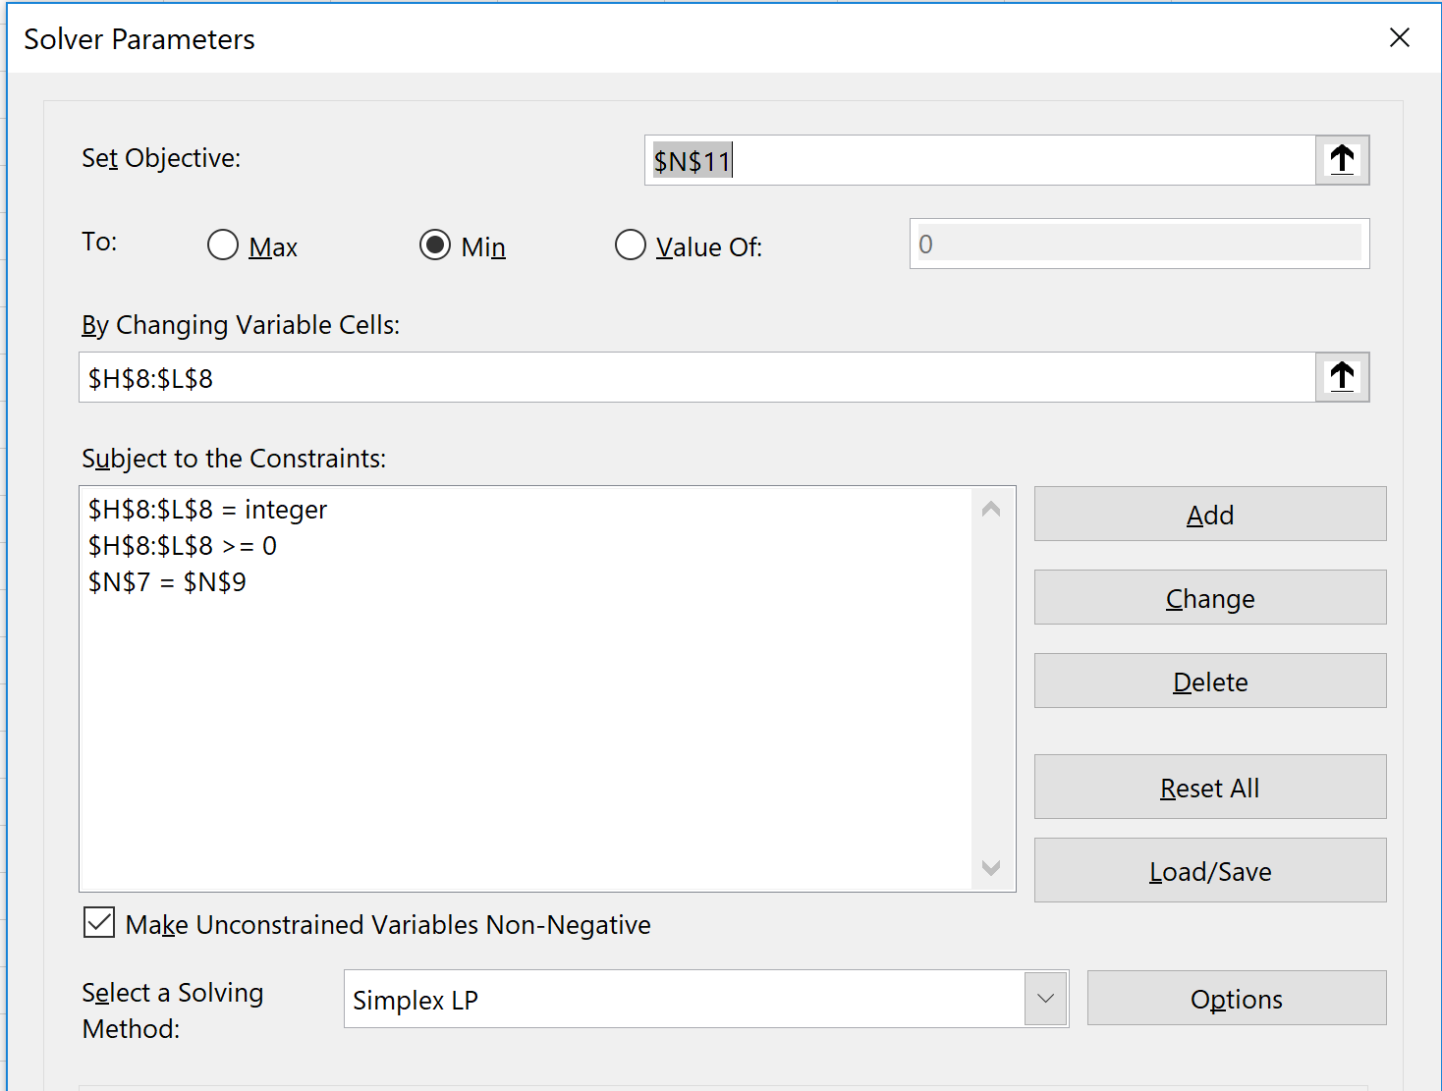
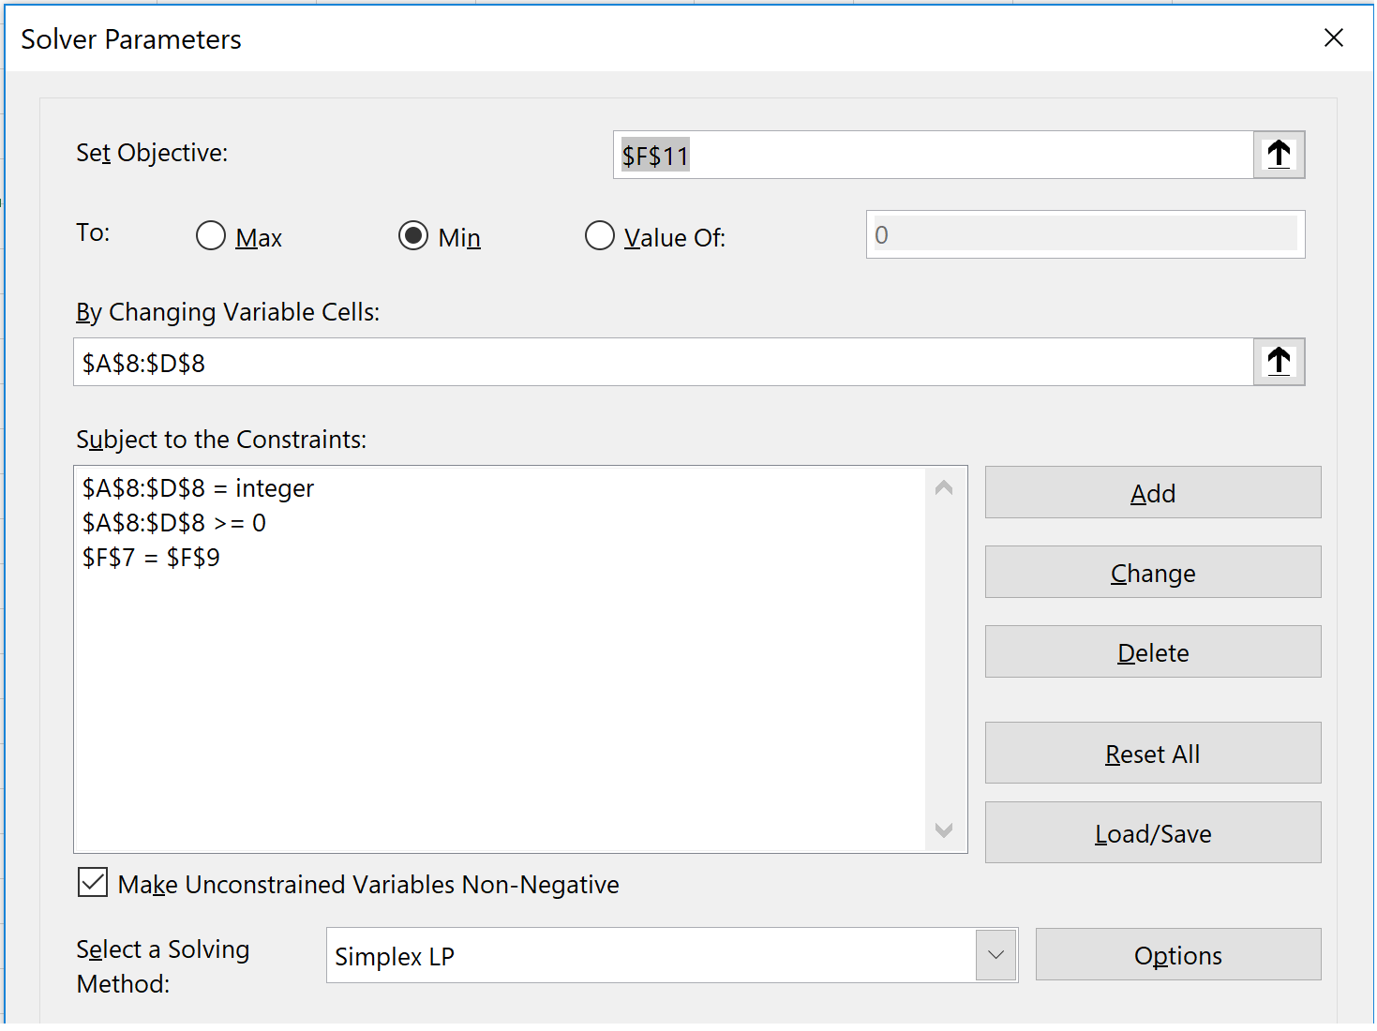
Problem 4a.
Problem 4b.

w | x | y | z |  | v | w | x | y | z
1 | 5 | 10 | 25 | Change | 1 | 3 | 7 | 12 | 27 | Change
 |  |  |  | 202 |  |  |  |  |  | 293
2 | 0 | 0 | 8 | A (Desired Amount) | 1 | 1 | 1 | 1 | 10 | A (Desired Amount)
 |  |  |  | 202 |  |  |  |  |  | 293
 |  |  |  | Min. Total Coins |  |  |  |  |  | Min. Total Coins
 |  |  |  | 10 |  |  |  |  |  | 14
Problem 4b:
Objective Equation Used in Cell N11:
=SUM (Z6:AD6)
//put into the terms from problem = SUM (v + w + x + y + z)
Equation Used in Cell N7:
=SUMPRODUCT (H8:L8, H6:L6)
//put into terms from problem = SUMPRODUCT (v+ 3w + 7x + 12y + 27z)
Contraints will be in the format of the figure below in the "Subject to the Constriants" section. The figure below is the setup of the the solver program in Excel.This how the solver field should be filled out with calculating minimum change for problem 4a.
Problem 4a:
Obejective equation is in cell F11:
=SUM (A8:D8):
//put into the terms from problem = SUM (w + x + y + z)
Equation used in cell F7:
=SUMPRODUCT (A8: D8, A6: D6)
//put into terms from problem = SUMPRODUCT (w + 5x + 10y + 25z)
Contraints will be in the format of the figure below in the "Subject to the Constriants" section. The figure below is the setup of the the solver program in Excel. This how the solver field should be filled out with calculating minimum change for problem 4a.

